Sheet1
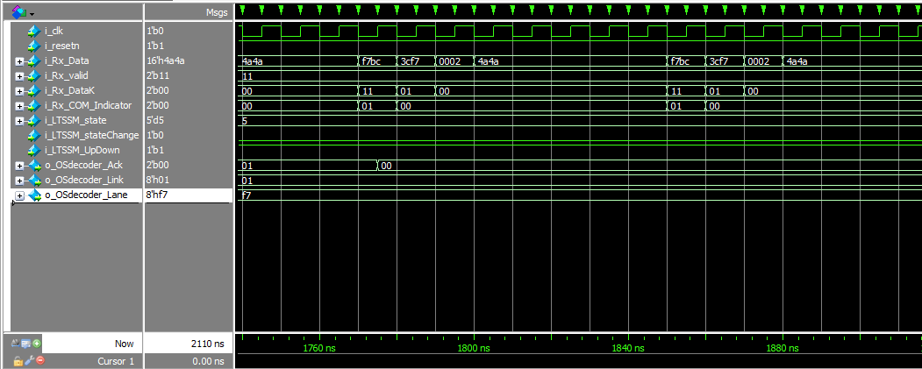
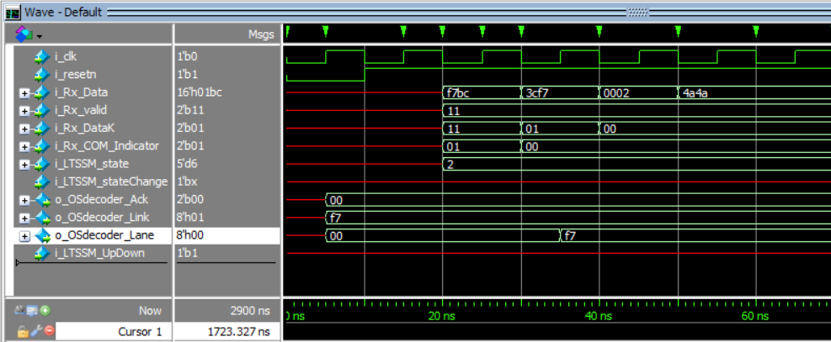
Modules | Verifier | summary | Description | Severity | Assignee | ID
Os_Decoder | Peter | Ack Signal error | When a complete sequence is sent, Ack is asserted for only one sequence and then deasserted which shouldn’t happen, ack signal should still be high until state change signal is asserted | Medium | Alaa | Dec_01
 | Peter | OSdecoder Lane error | When we reset the decoder, lane is initiated with 00 while it should be defaulted with F7 | Low | Alaa | Dec_02
 | Peter | Ack Signal error | When we are in th config complete state (5'b01000), the Ack signal should equal 2'b10 when it receives 8xTS2/Lane/Link, However, it turns 2'b01 with only 7xTS2/Lane/Link | High | Alaa | Dec_03
 | Peter | Ack Signal error | When I am in polling active state, after sending 8xTS1/PAD/PAD the ack signals gets asserted but when we start sending 8xTS1/PAD/PAD (to go to the config state) the ack signal is not dessarted, it is kept at 01 for the whole sequence and then gets deasserted when i send the next sequence | Medium | Alaa | Dec_04
 | Peter | Lane | When we send an 8x sequence and then send a 9x sequence, the second sequence is shifted and the lane, ack are ruined PA_to_PC(); PC_to_C_9(); | Low | Alaa | Dec_05
 | Peter | Link | Link should be updated after sending a fully processed TS1, however in the RTL, it is updated after the second TS1 LS_to_LA | High | Alaa | Dec_06
 | Peter | Lane | Lane should be updated after sending a fully processed TS1, however in the RTL, it is updated after the second TS1 LW_to_LA_Down | High | Alaa | Dec_07
 | Peter | Ack Signal error | Going from config complete to config idle, it needs 1 TS1 then 8 TS1, however, the ack is raised after 7 TS1 only | Low | Alaa | Dec_08
 | Peter | Ack Signal error | When we are in config idle (5'b01001) and wants to go to L0, it should recieve 1x IDLE then 4x IDLE, However the Ack signal don't go to 2'b10 except when it takes 1x IDLE then 5x IDLE (not 4x) | Medium | Alaa | Dec_09
OS_Creator | Peter | Data Error After OS Followed By Another OS | Sending some OS, resetting, then sending another OS leads to an incorrect first OS (all zeros) even with disabling the module, resetting TS count, and asserting LTSSM state change. | High | Marwan | Cre_01
 | Peter | Data Error During Buffer Full Amidst OS | If buffer full is indicated during sending multiple OS, the data out is not zeros as it should be. | Low | Marwan | Cre_02
 | Peter | Data Error - After OS | Sending multiple OS, the data out is a repeated OS even after it is finished and the acknowledge is asserted. The output should be all zeros instead. | Low | Marwan | Cre_03
 | Peter | Valid Error - After OS | The valid signal remains asserted even after the OS is finished. It should be deasserted directly after the OS is finished. | High | Marwan | Cre_04
 | Peter | Sending LIDLE | For sending LIDLE, having i_OSreqNum = 1 is the same as i_OSreqNum = 2 as we already send 2 LIDLE symbols in a single transaction, same goes for any 2 consecutive numbers (3 and 4, 5 and 6, ....) | High | Marwan | Cre_05
Timer | Alaa | Time_out default value | When neither reset is activated, nor an input time value is injected into the DUT, the output time_out value is set to 1 by default which can drive state machine to wrong operations | Medium | Peter | Timer_01
Interface Buffer Interface Bus Tx Buffer Packet Indicator | Momen | Pi Buffer error and framing allignment tries to hide it | Pi buffer switches between the start packet position and the end packet position | Medium | Marwan/Alaa | IB_01
Ordered Set Buffer | Marwan | Wrong buffer full flag. | The o_OsBuffer_full signal is asserted one cycle early than it should. At the time it is asserted, the buffer is not full yet and has a size of 2047 not 2048. | LOW | Momen | OSB_01
 | Momen | Mix between synchrounous and asynchrounous inputs with outputs | The interface buffer mixes between synchronous and asynchronous inputs to drive internal registers. which results in problems and loss of data. The DUT should be modified to make all the outputs and internal signals synchronous (change only at clock edge) | Medium | Peter | SE_01
Encoder Scrambler | Marzouk | Size mismatche between the desifn and the spacifcation file | Input DK size is only one bit. it has to be 2 bis. Input data_in size has to be 16 bis. Output dataout size has to be 20 bis. | High | Momen | EN_01

